Sheet1
ANPU AUTO PARTS CO., LTD Jiujing road 1501, Jiuting, Songjiang, Shanghai, China Tel: 0086 21 57655701 Mob: +0086 18221291483 E-mail: sales01@anpuautopart.com Website: www.anpuautopart.com
OE No. | AP No. | Description | Make | Application | MOQ (PCs) | Lead Time (days) | Picture
1479837 0248.L1 3M5Q-6K271-AC 0248L1 3M5Q-6K271-AD 9651815680 | 11614408 | Cylinder Head Cover | Peugeot | Citroen Peugeot 1.6 Hdi | NO MOQ | 35DAYS | 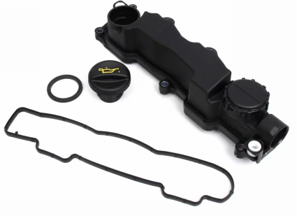
0248.P9 9659489880 1526690 6C1Q6K271BH | 11614410 | Cylinder Head Cover | Peugeot | Ford transit 2.2 Duratorq TC Fiat - Ducato 250 2,2 Peugeot Citroen | NO MOQ | 35DAYS | 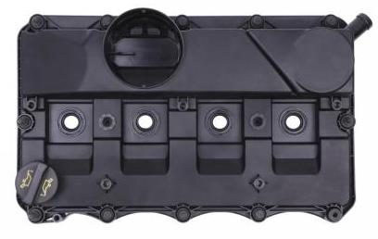
V759886280 | 11614409 | Cylinder Head Cover | Peugeot | 1.6 308, 308S, 408, 508,4008(P84), 5008(P87) | NO MOQ | 35DAYS | 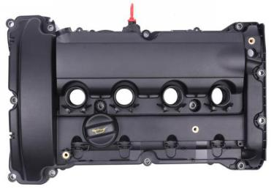
5607258/55564395/55558673/55558118 | 11524413R | Cylinder Head Cover | OPEL | / | NO MOQ | 35DAYS
11 12 7 646 555 | 11314406 | Cylinder Head Cover | BMW | BMW N14 | NO MOQ | 35DAYS | 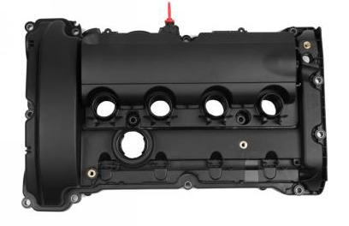
55561426/55573746 | 11527158 | Cylinder Head Cover | OPEL | / | NO MOQ | 35DAYS | 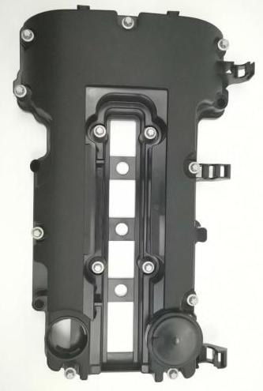
11 12 7 646 554/11 12 7 572 724/11 12 7 567 791 | 11314941 | Cylinder Head Cover | BMW | MINI - N12,N16 | NO MOQ | 35DAYS | 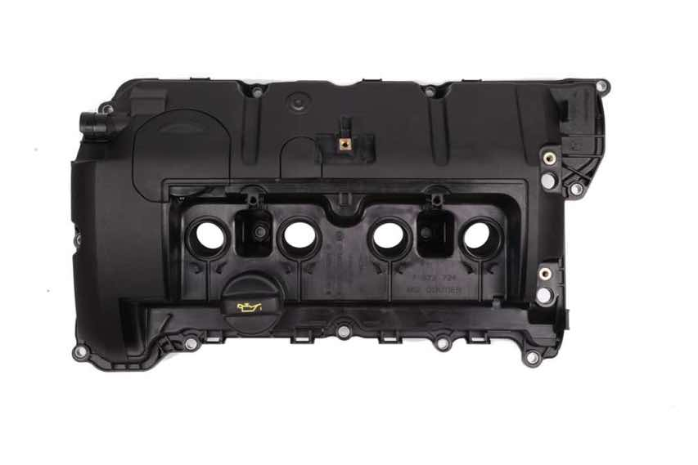 | 量大
0361.Q5 9648315780 | 11614411 | Cylinder Head Cover | Peugeot | PEUGEOT 107 Citroen Ford 1.4 HDI | NO MOQ | 35DAYS | 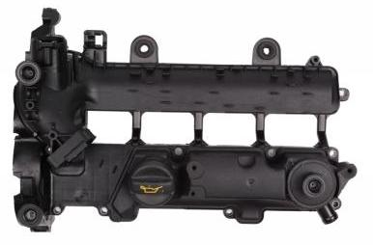
11 12 7 570 292 | 11314398 | Cylinder Head Cover | BMW | BMW N55 | NO MOQ | 35DAYS | 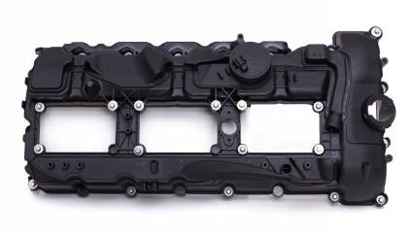 | 量大
11 12 7 625 477/11 12 7 588 412 | 11314401 | Cylinder Head Cover | BMW | BMW N20 | NO MOQ | 35DAYS | 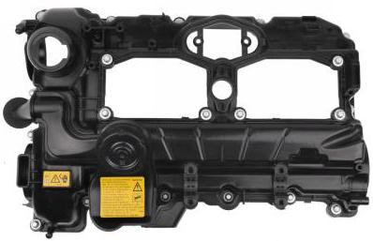 | 量大
11 12 7 552 281 | 11314399 | Cylinder Head Cover | BMW | BMW N52 | NO MOQ | 35DAYS | 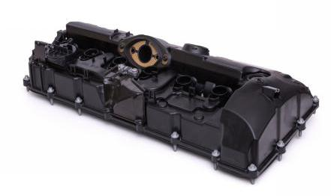 | 量大
55556284/5607159/5607592/24440090 | 11527157 | Cylinder Head Cover | OPEL | / | NO MOQ | 35DAYS
038 103 469 AD | 11597159 | Cylinder Head Cover | VAG | Golf/Polo/Bora | NO MOQ | 35DAYS | 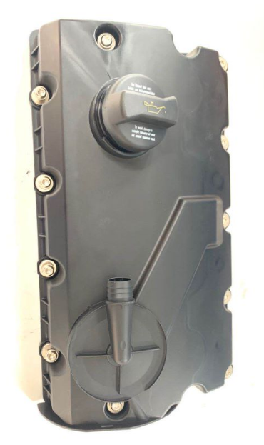
0361.N4 9645371180 9646698680 | 11614412 | Cylinder Head Cover | Peugeot | PEUGEOT 206 Citroen Ford FUSION 1.4 HDI | NO MOQ | 35DAYS | 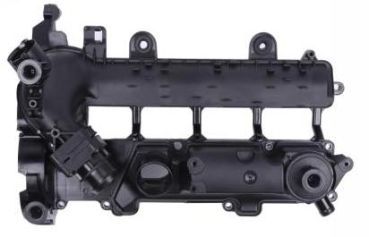
1717679/1738747/1858445/BK2Q-6K271-AK/9675691480/BK2Q6K271AJ | 11417204 | Cylinder Head Cover | Ford | / | NO MOQ | 35DAYS | 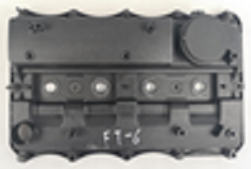
03L 103 469 R | 11597161 | Cylinder Head Cover | VAG | / | NO MOQ | 35DAYS
06D 103 469 H/06D 103 469 J/06D 103 469 L/06D 103 469 M/06D103 469 N | 11597160 | Cylinder Head Cover | VAG | / | NO MOQ | 35DAYS | 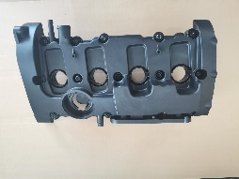
11 12 7 565 284 | 11314400 | Cylinder Head Cover | BMW | BMW N54 | NO MOQ | 35DAYS | 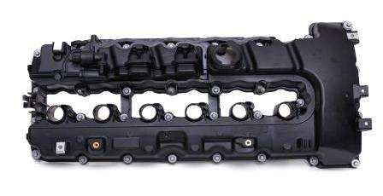 | 量大
11 12 1 432 928 | 11314404 | Cylinder Head Cover | BMW | BMW M52 M54 | NO MOQ | 35DAYS | 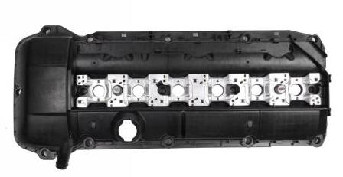
11 12 8 589 941 | 11314939 | Cylinder Head Cover | BMW | BMW - N47 N47N | NO MOQ | 35DAYS | 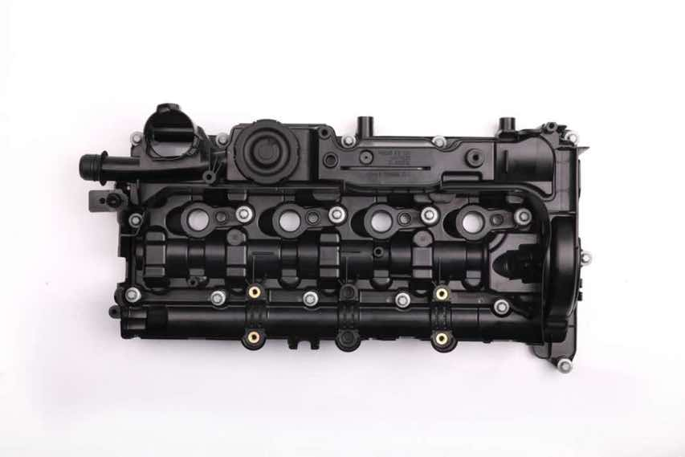
11 12 7 646 553/11 12 7 601 863 | 11314940 | Cylinder Head Cover | BMW | BMW- N13 F20/F30 1 Series, 3 Series | NO MOQ | 35DAYS | 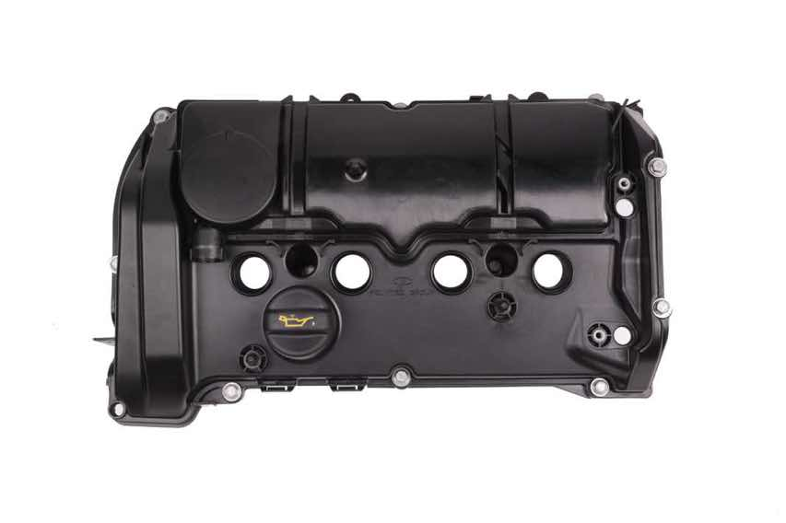 | 量大
038 103 469 AE | 11598151 | Cylinder Head Cover | VAG | Passat/Campmob | NO MOQ | 35DAYS | 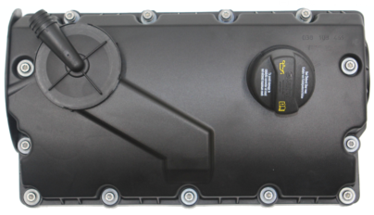
03L 103 469 H | 11597205 | Cylinder Head Cover | VAG | / | NO MOQ | 35DAYS
55558673/55564395 | 11524413 | Cylinder Head Cover | OPEL | / | NO MOQ | 35DAYS
92062396 90501943 | 11528410 | Cylinder Head Cover | OPEL | CHEVROLET BUICK OPEL GM | NO MOQ | 35DAYS | 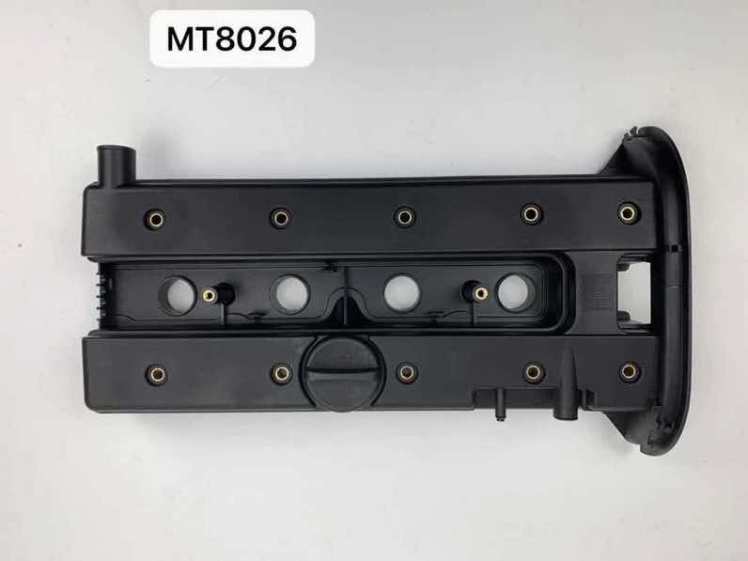
92068243 | 11528411 | Cylinder Head Cover | OPEL | OPEL CHEVROLET VAUXHALL GM | NO MOQ | 35DAYS
0248.S0 9688939180 | 11628408 | Cylinder Head Cover | CITROEN | CITROEN PSA FORD | NO MOQ | 35DAYS | 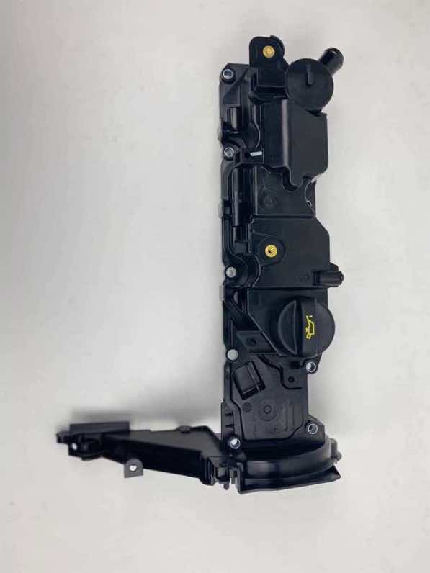
1516726/6C1Q6K271CE | 11414943 | Cylinder Head Cover | Ford | Ford Transit 2,4 TDCI 2006-2012 Cylinder Head Cover | NO MOQ | 35DAYS | 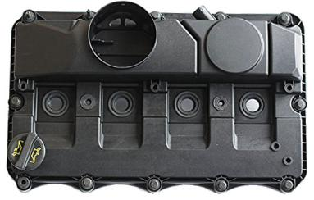
AG9G-6M293BE AG9G-6M293BC AG9G-6M293BF | 11418407 | Cylinder Head Cover | FORD | FORD VOLVO | NO MOQ | 35DAYS | 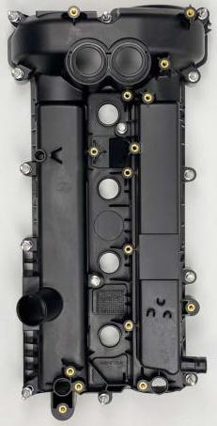
11 12 7 512 839 | 11314405 | Cylinder Head Cover | BMW | BMW M54 | NO MOQ | 35DAYS | 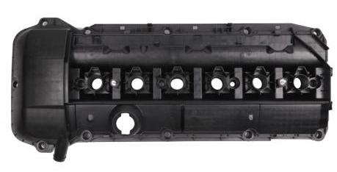
11 12 7 646 552/11 12 7 603 390/0248.S7 | 11314942 | Cylinder Head Cover | BMW | MINI - N18 | NO MOQ | 35DAYS | 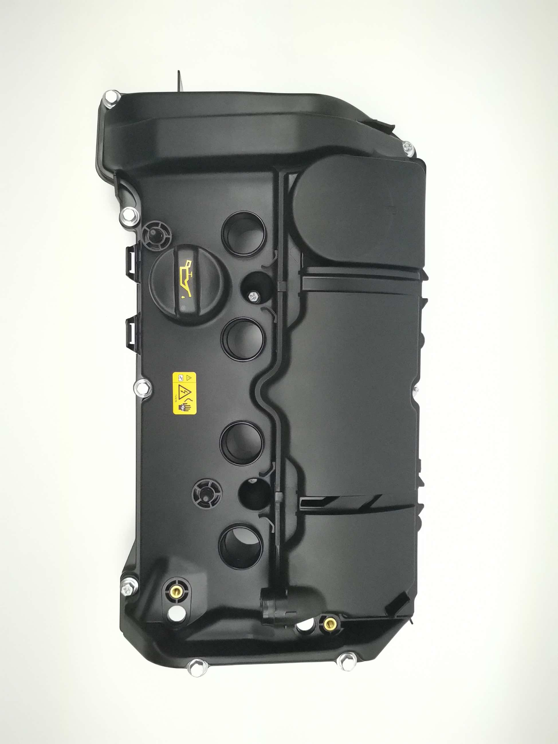
11 12 7 522 159 | 11318924 | Cylinder Head Cover | BMW | N62-L | NO MOQ | 35DAYS | 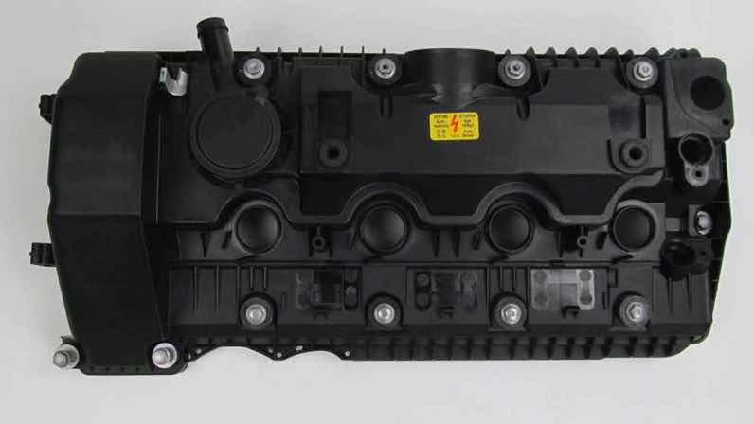
11 12 7 563 474 | 11318925 | Cylinder Head Cover | BMW | N62-R | NO MOQ | 35DAYS | 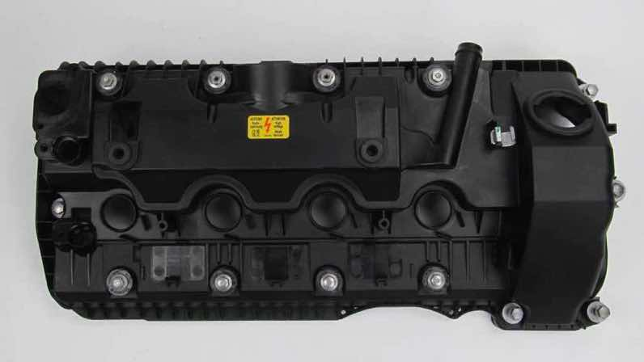
11 12 8 507 607/11 12 8 515 746/11 12 7 812 894 | 113110124 | Cylinder Head Cover | BMW | N57Z | NO MOQ | 35DAYS | 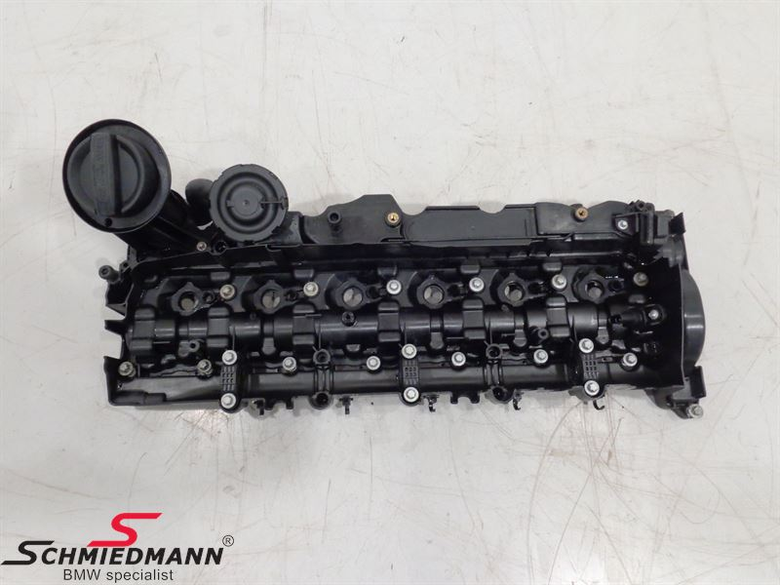
11 12 1 703 341 | 11318923 | Cylinder Head Cover | BMW | M52 | NO MOQ | 35DAYS | 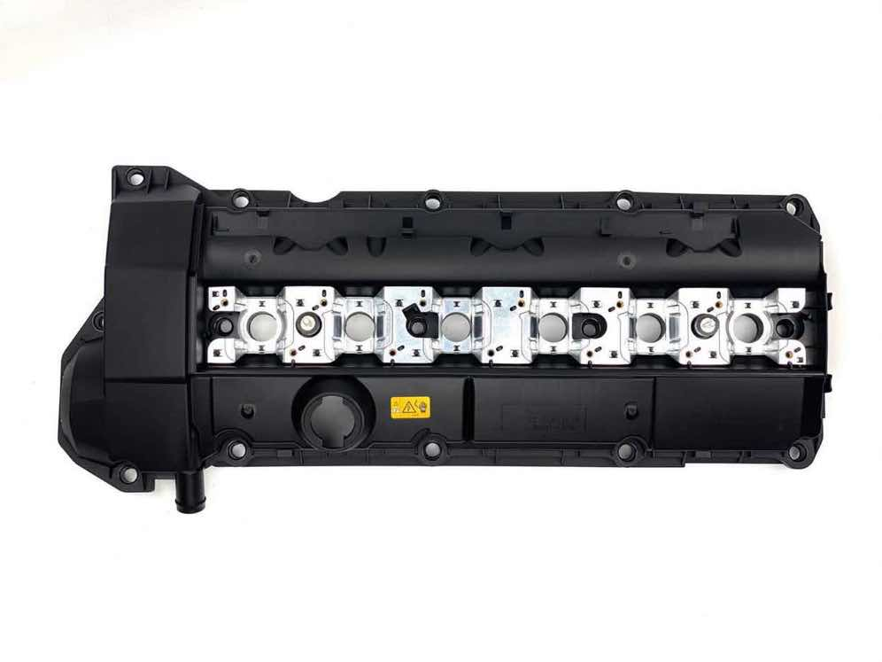
11 12 7 823 181/11 12 8 515 745/11 12 7 800 309 | 11318397 | Cylinder Head Cover | BMW | N57 E90/E91/E92/E93/F30/F31/F32/F33/F34/F36/F07/F10/F15/F11/F01/F02/F25/F26/E70/ | NO MOQ | 35DAYS | 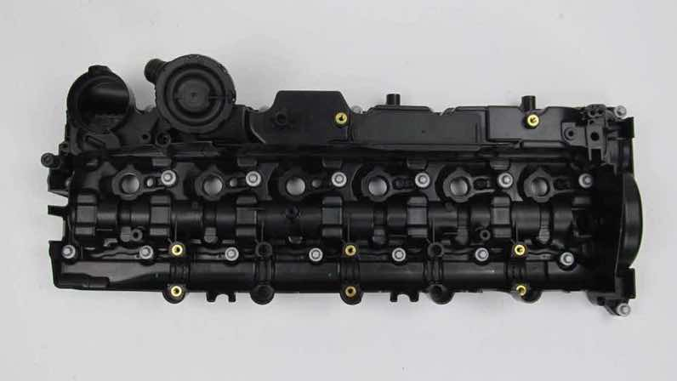
11 12 7 555 212/11 12 7 553 171 | 11314402 | Cylinder Head Cover | BMW | BMW N46 (UP TO 2016) | NO MOQ | 35DAYS | 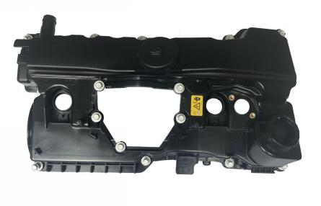
11 12 8 645 888 | 11314403 | Cylinder Head Cover | BMW | BMW N46N 2015 | NO MOQ | 35DAYS | 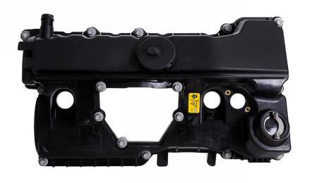
11 12 7 568 581/11 12 7 526 669 | 11318398 | Cylinder Head Cover | BMW | N46 E87 E90 E91 | NO MOQ | 35DAYS | 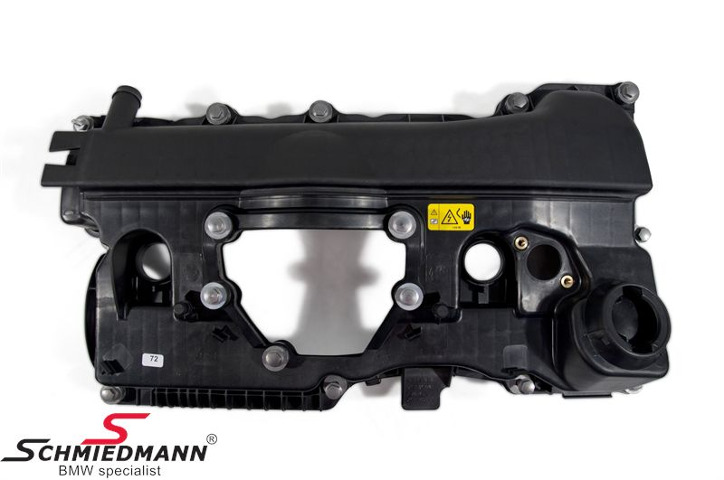
11 12 7 568 582/11 12 7 509 523/11 12 7 526 671 | 11318399 | Cylinder Head Cover | BMW | N46 E46 E83 E85 | NO MOQ | 35DAYS | 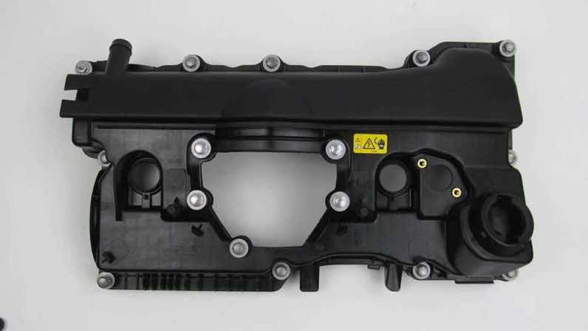
03L 103 469 F | 11597156 | Cylinder Head Cover | VAG | Amarok/Crafter | NO MOQ | 35DAYS | 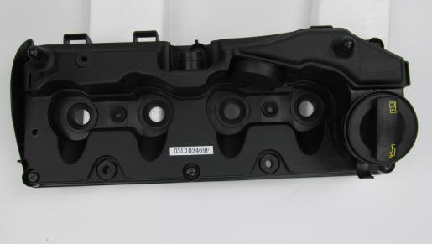
03L 103 469 G | 115910169 | Cylinder Head Cover | VAG | Transporter | NO MOQ | 35DAYS | 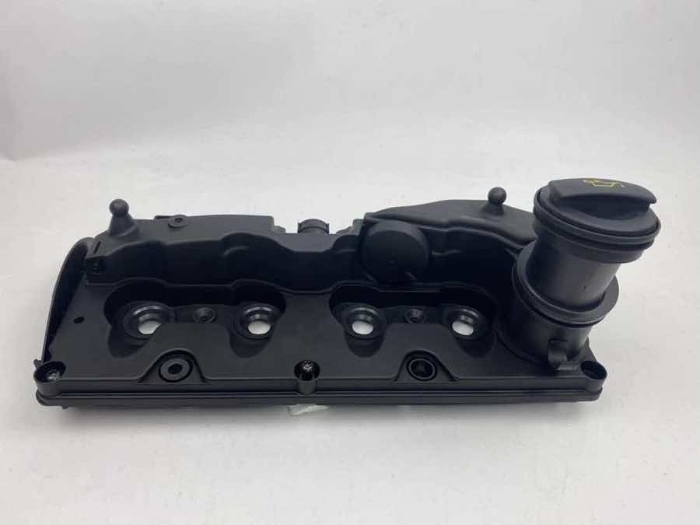
03H 103 429 L/03H 103 429 H/03H 103 429 D/03H 103 429 C/03H 103 429 B | 11598409 | Cylinder Head Cover | VAG | VW AUDI SKODA | NO MOQ | 35DAYS | 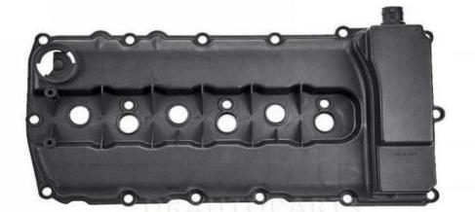
271 010 17 30 | 11364407 | Cylinder Head Cover | M-Benz | BENZ - C250 | NO MOQ | 35DAYS | 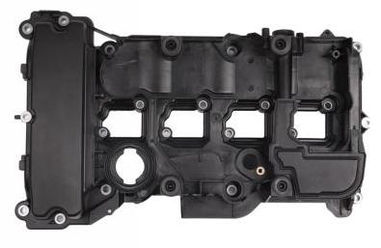 | 量大
651 010 89 18/651 010 57 44 | 11368405 | Cylinder Head Cover | M-Benz | Sprinter 2.1 415/515cdi | NO MOQ | 35DAYS | 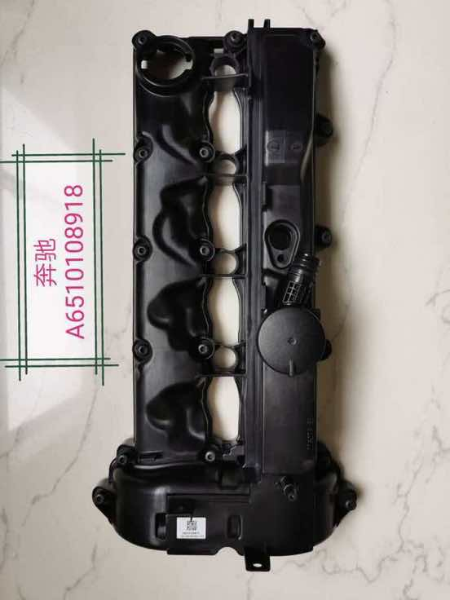
651 010 08 30 | 11368406 | Cylinder Head Cover | M-Benz | C-CLASS (W204) 2.1 | NO MOQ | 35DAYS | 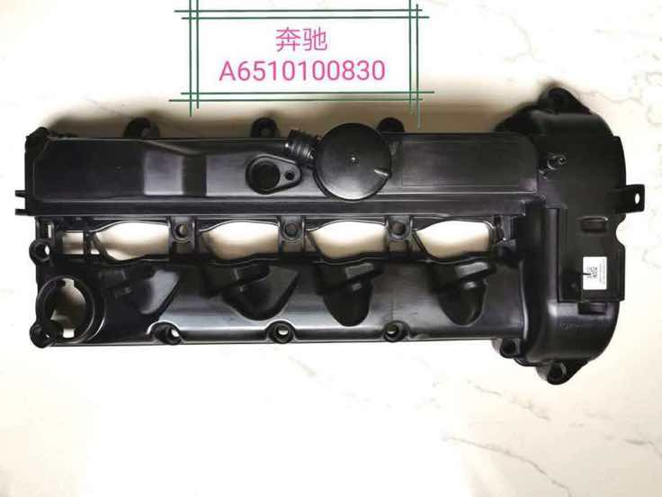
LR105956/LR029145/LR055000/LR019606/LR097158/LR073538/LR057379 | 11344908 | Cylinder Head Cover | Lander Rover | Lander Rover- Discovery 4, Range Rover Sport | NO MOQ | 35DAYS | 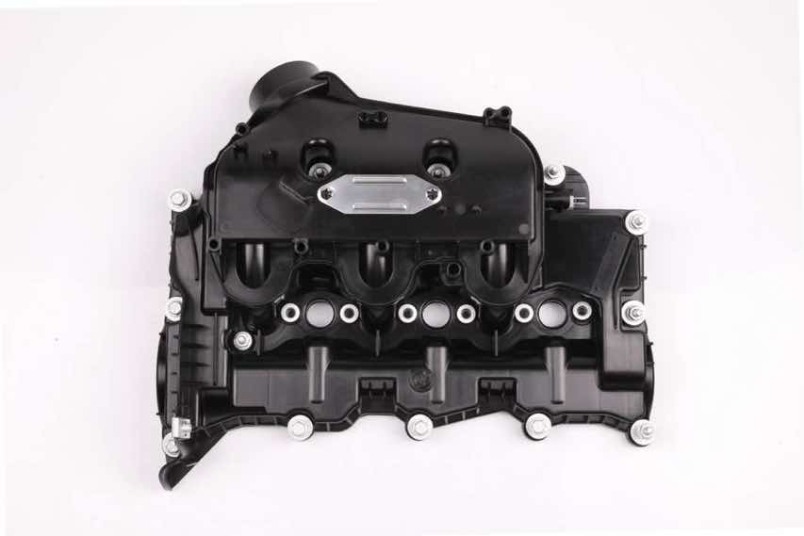
LR074623/LR019611/LR055001/LR057380/LR029146/LR097157/LR105957 | 11344909 | Cylinder Head Cover | Lander Rover | Lander Rover- Discovery 4, Range Rover Sport | NO MOQ | 35DAYS | 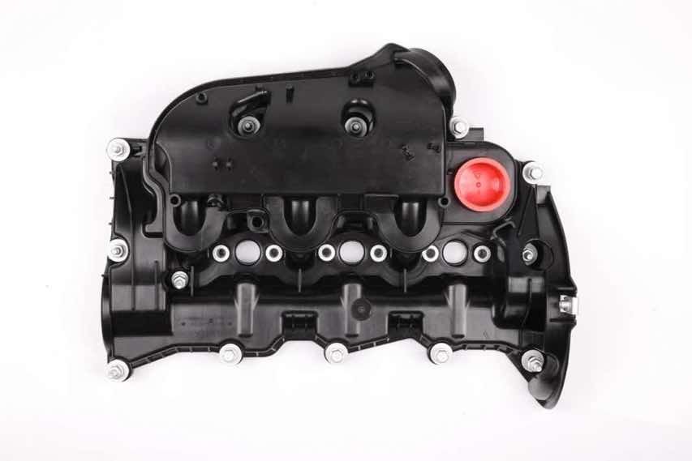
LR070360/BB5E-6K271A/31460817 | 11344947 | Cylinder Head Cover | Lander Rover | 2.0L 16V LAND ROVER 2 FREELANDER 2 EVOQUE | NO MOQ | 35DAYS | 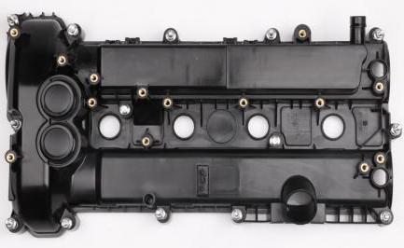
LR032081/LR014345/LR010784/LR011351/LR011350/LR010789 | 11344945 | Cylinder Head Cover | Lander Rover | LAND ROVER 4 RANGE ROVER SPORT 5.0L | NO MOQ | 35DAYS
LR113201/LR041443/LR010780/LR032082/LR038166 | 11344946 | Cylinder Head Cover | Lander Rover | LAND ROVER 4 RANGE ROVER SPORT 5.0L | NO MOQ | 35DAYS | 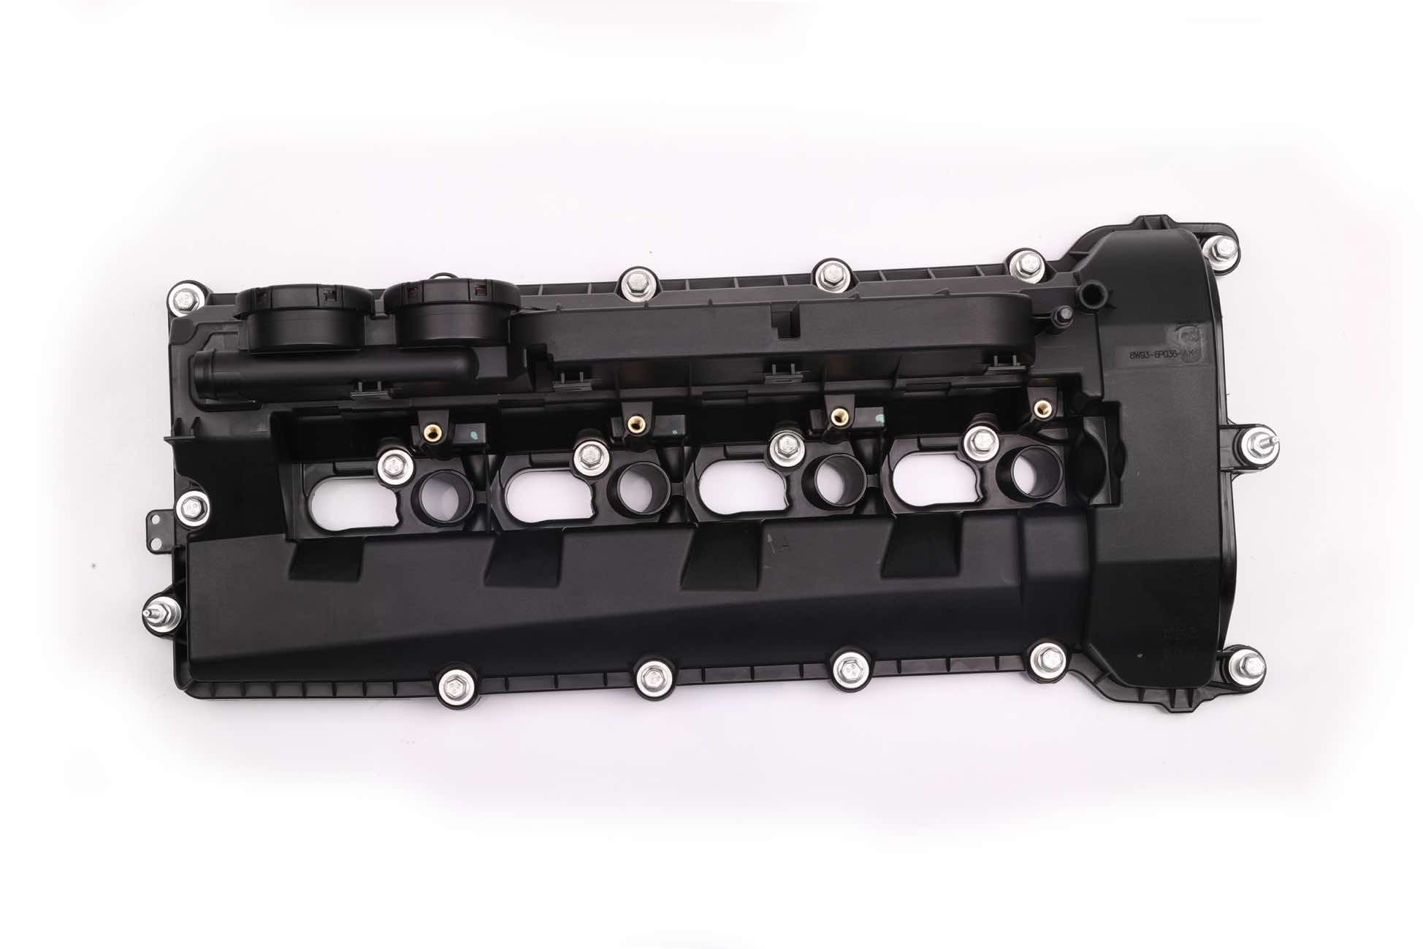
LR041685 | 11348400 | Cylinder Head Cover | LAND ROVER | LAND ROVER 4 3.0T | NO MOQ | 35DAYS | 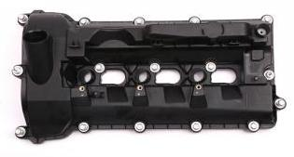
LR051835 | 11348401 | Cylinder Head Cover | LAND ROVER | LAND ROVER 4 3.0T | NO MOQ | 35DAYS | 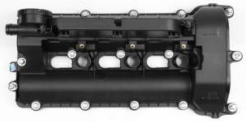
LR005659 | 11348402 | Cylinder Head Cover | LAND ROVER | Range Rover L322 Range Rover Sport 3.6 TDV8 | NO MOQ | 35DAYS | 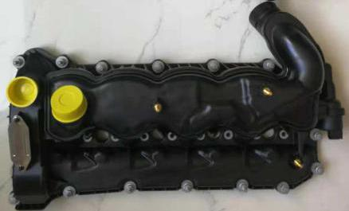
LR005274 | 11348403 | Cylinder Head Cover | LAND ROVER | Range Rover L322 Range Rover Sport 3.6 TDV8 | NO MOQ | 35DAYS | 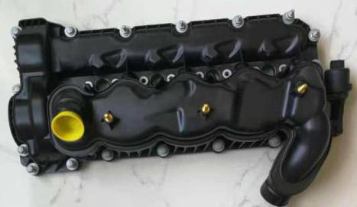
LR023777/31319642/30731234/30757662 | 11348404 | Cylinder Head Cover | LAND ROVER | Land Rover 2 Freelander VOLVO --3.2L | NO MOQ | 35DAYS
11 12 7 645 173 | 113110708 | Cylinder Head Cover | BMW | B58 | NO MOQ | 35DAYS | 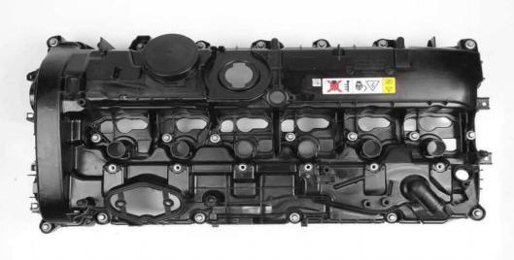
BC1Q6K271AA | 114110709 | Cylinder Head Cover | FORD | Ford Transit 2,4 | NO MOQ | 35DAYS | 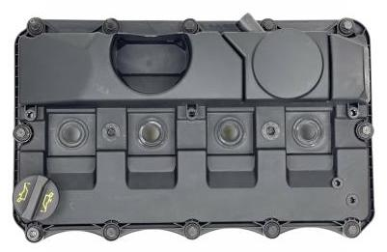
CM5G6K271CM/CM5G-6K271-CG | 114110710 | Cylinder Head Cover | FORD | Ford focus 1.0L | NO MOQ | 35DAYS
9630142180/0248.G5 | 116210711 | Cylinder Head Cover | PEUGEOT | PEUGEOT 406 2.0 HDI | NO MOQ | 35DAYS
8200629199 | 115610712 | Cylinder Head Cover | Renault | MEGANE III KANGOO MK 2 LAGUNA MK 3 | NO MOQ | 35DAYS
8200756123 | 115610713 | Cylinder Head Cover | Renault | CLIO MK 3 | NO MOQ | 35DAYS
8201034955/132654861R | 115610714 | Cylinder Head Cover | Renault | KANGOO MK 1 | NO MOQ | 35DAYS
06E 103 472 L/06E 103 472 G/06E 103 472 F/06E 103 472 J | 115910715 | Cylinder Head Cover | VAG | AUDI A4/A6/A8 | NO MOQ | 35DAYS
06E 103 471 G/06E 103 471 F | 115910716 | Cylinder Head Cover | VAG | AUDI A4/A6/A8 | NO MOQ | 35DAYS
03L 103 469 AD/03L 103 469 S | 115910717 | Cylinder Head Cover | VAG | AUDI A3/Q2/Q3/TT SKODA OCTAVIA III SEAT LEON VW Golf/Jetta | NO MOQ | 35DAYS
11 12 7 548 196 | 113111394 | Cylinder Head Cover | BMW | E90 E91 E92 E93 E60 E61 F10 F11 E63 E64 | NO MOQ | 35DAYS
11 12 7 611 277 | 113112446 | Cylinder Head Cover | BMW | B38 F52/F45/F30/F35/F49/M13 | NO MOQ | 35DAYS
11 12 7 611 278 | 113112447 | Cylinder Head Cover | BMW | B48 F52/F45/F30/F35/F49/G38/G08 | NO MOQ | 35DAYS
646 010 22 30 | 113612448 | Cylinder Head Cover | M-Benz | W211 | NO MOQ | 35DAYS
070 103 469 B | 115912449 | Cylinder Head Cover | VAG | VW 5 Cylinder Engine 2.5 2004-2010 | NO MOQ | 35DAYS
03G 103 469 G/03G 103 469 M | 115912450 | Cylinder Head Cover | VAG | VW AUDI SEAT SKODA Diesel Engine1.9L/2.0L BMM/BMP/BLS | NO MOQ | 35DAYS
06F 103 469 K/06F 103 469 E/06F 103 469 F/06F 103 469 G | 115912451 | Cylinder Head Cover | VAG | VW AUDI SEAT Skoda 2.0L Gasoline | NO MOQ | 35DAYS
038 103 469 AF/038 103 469 AB/038 103 469 AK | 115912452 | Cylinder Head Cover | VAG | VW 1.9L Diesel 08/2003 | NO MOQ | 35DAYS
8200331491 | 115612453 | Cylinder Head Cover | Renault | CLIO MK 2 CLIO MK 3 CLIO IV KANGOO MK 1 | NO MOQ | 35DAYS
13264 8J113/13264 7Y010/13264 ZA30A/13264 8J112 | 116812454 | Cylinder Head Cover | Nissan | MURANO (Z50) | NO MOQ | 35DAYS
13264 AM610 | 116812455 | Cylinder Head Cover | Nissan | / | NO MOQ | 35DAYS
13264 AM600 | 116812456 | Cylinder Head Cover | Nissan | 350Z COUPE | NO MOQ | 35DAYS
13264 3Z001 | 116812457 | Cylinder Head Cover | Nissan | / | NO MOQ | 35DAYS
13264 JA00A/13264 JG30A | 116812458 | Cylinder Head Cover | Nissan | / | NO MOQ | 35DAYS
13264 4Z011 | 116812459 | Cylinder Head Cover | Nissan | / | NO MOQ | 35DAYS
13264-JA10B/13264-JP01B | 116812460 | Cylinder Head Cover | Nissan | MURANO II | NO MOQ | 35DAYS
13264-JA10A/13264-JN01A | 116812461 | Cylinder Head Cover | Nissan | / | NO MOQ | 35DAYS
13264-JK20B | 116812462 | Cylinder Head Cover | Nissan | / | NO MOQ | 35DAYS
13264-JK20A | 116812463 | Cylinder Head Cover | Nissan | / | NO MOQ | 35DAYS
13264-8J102/13264-9Y400/13264-7Y000 | 115612464 | Cylinder Head Cover | Nissan/Renault | Nissan MURANO Renault ESPACE MK 4 | NO MOQ | 35DAYS

